instructions
LeadingAgile Skills Assessment

Introduction
This Skills Assessment framework provides a lightweight and effective way to look at the maturity of a role in the System of Delivery or System of Transformation. Organizations are never static, and the emphasis on a particular set of skills can change over time. This assessment framework has intentionally been kept simple so that it can be used on a routine basis - either monthly or Sprint by Sprint. The trends can be observed and used by the individual, coach or Community of Practice to develop training plans.

Assessment Data
Assessment information is stored in the table on the data tab. It contains one row for each assessment and associate. The columns (e.g. S01 … S99) hold a maturity level for each skill for the role being assessed. Each skill is described and categorized on the skills tab.
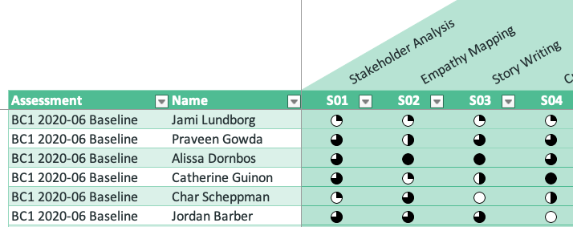
Maturity Levels
There are five levels of maturity that each skill is assessed at:

Performing an Assessment
Assessments are entered on the data tab. To prepare for a new assessment, simply copy the rows from the last assessment and paste them into the bottom of the table. Then, change the name of the assessment for each row. It is helpful to put the date of the assessment in the name (e.g. BC1 Assessment 2020-08). Go through each associate in the assessment and adjust the maturity levels up or down.

Preparing the Dashboard
The dashboard needs to be updated after the assessment data has been entered. To update the dashboard, press the Prepare Assessment button at the top of the data tab:

This updates the calculations necessary to present the dashboard

The Assessment Dashboard
The Assessment Dashboard is shown on the dashboard tab. The chart compares assessments by competency, and can show how the associates are progressing in each competency. The assessments for the comparison can be selected using the Excel "slicer" on the left side of the chart. Note: You must right-click on the chart and choose "Refresh" for the chart to reflected changes in the data.
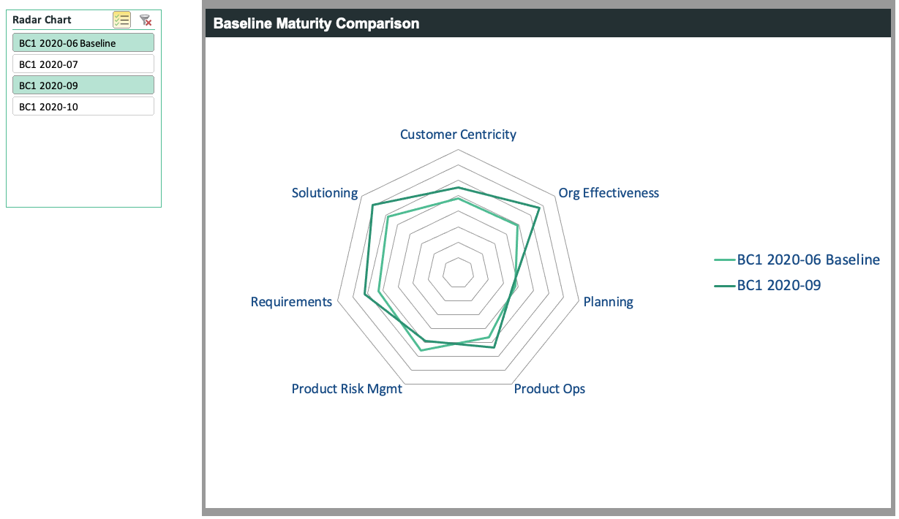

The entire report can be copied and pasted as an image onto a PowerPoint slide for presentation purposes.

dashboard
Note, please right-click on the chart and choose "Refresh" to reflect changes in the assessment data
Maturity by Competency

 | Baseline - Consumer Awareness & Marketing
- Organizational Strategy | 4
- Product Strategy | 3
- Understanding the Customer | 0.75
- Understanding the Offers (Market) | 1.6666666667
- Understanding the Product | 1.8571428571
- Prioritization | 1.7142857143
- Uncertainty & Assumptions | 0.66666666667
- SoD / Governance / Ops | 0.75
- Measures and Metrics | 1.5
- Go to Market | 2
- Product Ops | 3.125

